5. Seismic load calculation
1. Determination of seismic load

A. As per NBC 105: 2020
 | a. Determination of seismic load as per NBC 105: 2020
 | Seismic Parameter |  |  |  | Notation | Reference | Value | Unit | Remarks
 | Site sub soil condition |  |  |  |  | cl. 4.1.3.4 Table 4-4 | Soil Type D |  | Kathmandu valley
 | Height of the building from foundation |  |  |  | H |  | 14.25 | m
 | Time period |  |  |  | T1 | cl. 5.1.2 & 5.1.3 | 0.69 | sec | T1=1.25*kt*H^(3/4) where, kt=0.075 for RC moment resisting frame
 | Spectral shape factor |  |  |  | Ch(T) | cl. 4.1.2 | 2.25 |  | Ch(T)= α as Ta<T<Tc
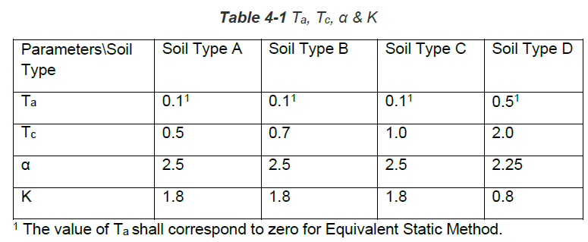
 | Seismic zoning factor |  |  |  | Z | cl. 4.1.4 | 0.35 |  | Kathmandu valley
 | Importance Factor |  |  |  | I | cl. 4.1.5 | 1.00 |  | Residential building (Other structure)
 | Over Stress Factor |  |  |  | Ωu | cl. 5.4 Table 5-2 | 1.50 |  | Reinforced Concrete Moment Resisting Frame
 | Over Stress Factor |  |  |  | Ωs | cl. 5.4 Table 5-2 | 1.25
 | Ductility Factor |  |  |  | Rμ | cl. 5.3.1 Table 5-2 | 4.00
 | Ductility Factor |  |  |  | Rs | cl. 5.3.2 | 1.00
 | Elastic Site Spectra for horizontal loading |  |  |  | C (T) | cl. 4.1 | 0.79 |  | C (T) = Ch(T) Z I
 | Elastic Site Spectra for Seviceability Limit State |  |  |  | Cs (T) | cl. 4.2 | 0.158 |  | Cs (T) = 0.20 C (T)
 | Horizontal Base Shear Coefficient - ULS |  |  |  | Cd(T1) - ULS |  | 0.131
 | Horizontal Base Shear Coefficient - SLS |  |  |  | Cd(T1) - SLS |  | 0.126

 | b. Distribution of lateral forces at different storey

 |  | Time period (T) = | 0.69 | sec
 | So, | k = | 1.094

6.open well
Staircase Load |  |  |  |  |  | steps | 1.875 | KN/m2
Riser |  | 150 | mm | 150 | mm | Floor finish | 1.15 | KN/m2
Tread |  | 275 | mm | 275 | mm | Live Load | 3 | KN/m2
Width of staircase |  | 1.2 | m | 1.2 | m
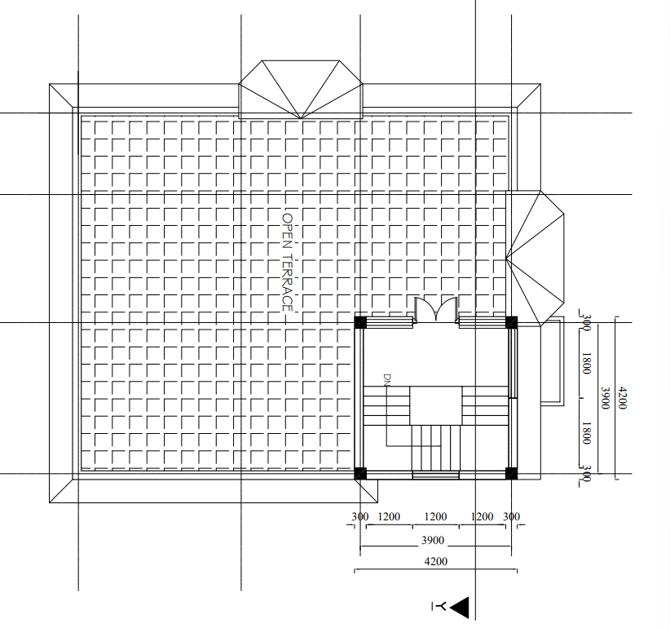
Length of landing |  | 1.2 | m | 1.2
Thickness of waist slab |  | 150 | mm | 125 | mm
No. of tread |  | 4 | In first flight | 5 | In 2nd flight
No. of riser |  | 5 |  | 6
Inclined length |  | 1.331 | m | 1.643 | m
weight of waist slab |  | 5.99 | KN | 6.16 | KN
Weight of steps |  | 2.48 | KN | 3.09 | KN
Weight of landing |  | 5.40 | KN | 4.50 | KN
LL on steps |  | 3.96 | KN | 4.95 | KN
Floor finish on steps |  | 1.75 | KN | 2.18 | KN
LL on landing |  | 4.32 | KN | 4.32 | KN
Floor finish on landing |  | 1.66 | KN | 1.66 | KN

Tota Load |  | 1st+3rd |  | 2nd
DL |  | 27.47957426 | KN | 11.438466911 | KN
LL |  | 12.24 | KN | 4.95 | KN
 | Total DL | 38.918041171 | KN
 | Total LL | 17.19 | KN
 |  | DL | LL
Sec beam |  | 13.740 | 6.120
z-beam |  | 25.178 | 11.070
 |  | 38.918 | 17.190
UDL | KN/m
Sec beam | 3.9 | 9.98 | 4.41
z-beam | 0 | #DIV/0! | #DIV/0!

7.Dog legged
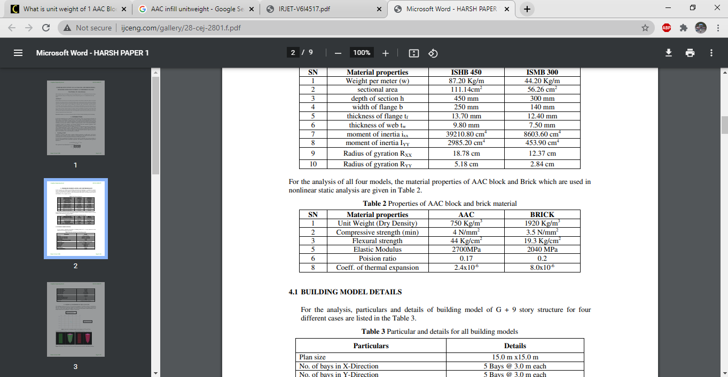
Staircase Load |  |  |  |  |  |  | slab | Area
Riser |  | 187 | mm | Floor finish | 1.5 | KN/m2 | length/dim | 0.125
Tread |  | 275 | mm | Live Load | 3 | KN/m2 |  | 5.3848 | 6.5786
Width of staircase flight |  | 1.1 | m |  |  |  | 4.191 | 22.5676968 | 27.5709126
Width of landing |  | 1.1 | m |  |  |  | 4.3688 | 23.52511424 | 28.74058768
Thickness of waist slab |  | 150 | mm |  |  |  | 4.1656 | 22.43092288 | 27.40381616
No. of tread |  | 9 | In first flight |  |  |  | 1.778 |  | 5.8483754
No. of riser |  | 10 |  |  |  |  | Area= | 780.8290835
Inclined length |  | 2.770 | m |  |  |  | volume | 97.603635437
weight of waist slab |  | 11.42625 | KN
Weight of steps |  | 6.36384375 | KN |  |  |  | shear wall | Basement | GF/FF
Weight of landing |  | 9.69375 | KN |  |  |  | Length | 45.0088 | 12
LL on steps |  | 8.1675 | KN |  |  |  | thickness | 0.2 | 0.2
Floor finish on steps |  | 4.6963125 | KN |  |  |  | height | 3.2004 | 6.096
LL on landing |  | 7.755 | KN |  |  |  |  | 28.809232704 | 14.6304 | 43.439632704
Floor finish on landing |  | 3.795 | KN

Tota Load
DL |  | 58.4615625 | KN
LL |  | 24.09 | KN
 | Length | DL | LL
Total load on one beam |  | 29.23078125 | 12.045
 |  | 29.231 | 12.045
L | 3.960 | 7.382 | 3.042
Total load on two beam |  | 29.23078125 | 12.045
 |  | 14.615 | 6.023
L | 3.960 | 3.691 | 1.521

